Instructions
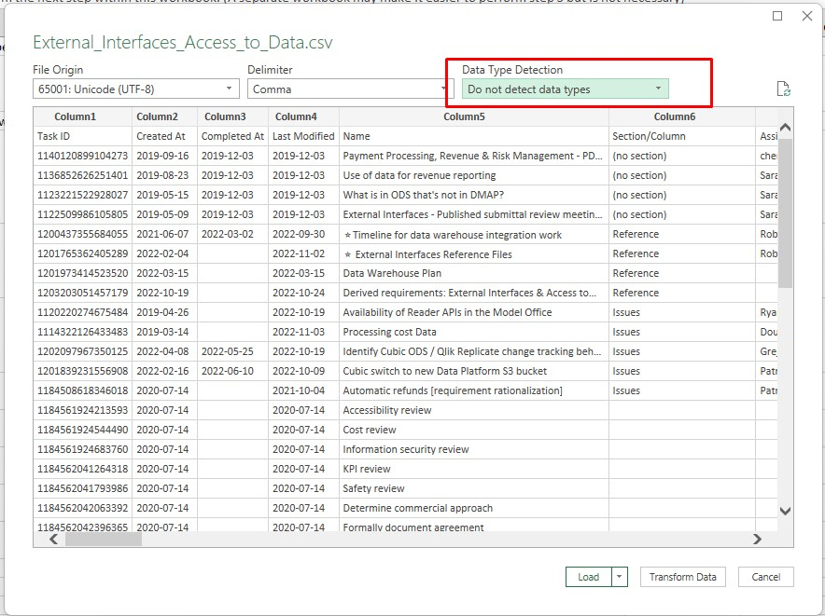
1 | Order the comments in Asana if you want them to be exported in a specific order.
2 | Export comments from Asana to CSV. This is done from the dropdown next to an Asana project's title. E.g: "Readers and Fare Cards"
3 | Open a blank workbook in excel or perform the next step within this workbook. (A separate workbook may make it easier to perform step 5 but is not necessary)
4 | Go to Data -> From Text/CSV and import the sheet you just exported. IMPORTANT: Select "DO NOT DETECT DATA TYPES" in the dropdown on the top right. Click on "Load"
5 | In this new worksheet, delete the default "Column 1, Column 2…" headers and shift the next row up to serve as your headers. Your end result should look like the second screenshot on the right (You can do this by clicking "Transform Data" on the previous step instead of "Load" and selecting "Use First Row as Headers", but Excel will try to round the Task IDs again if you do this and you will have to undo that. The copy-paste method is preferred for this reason.)
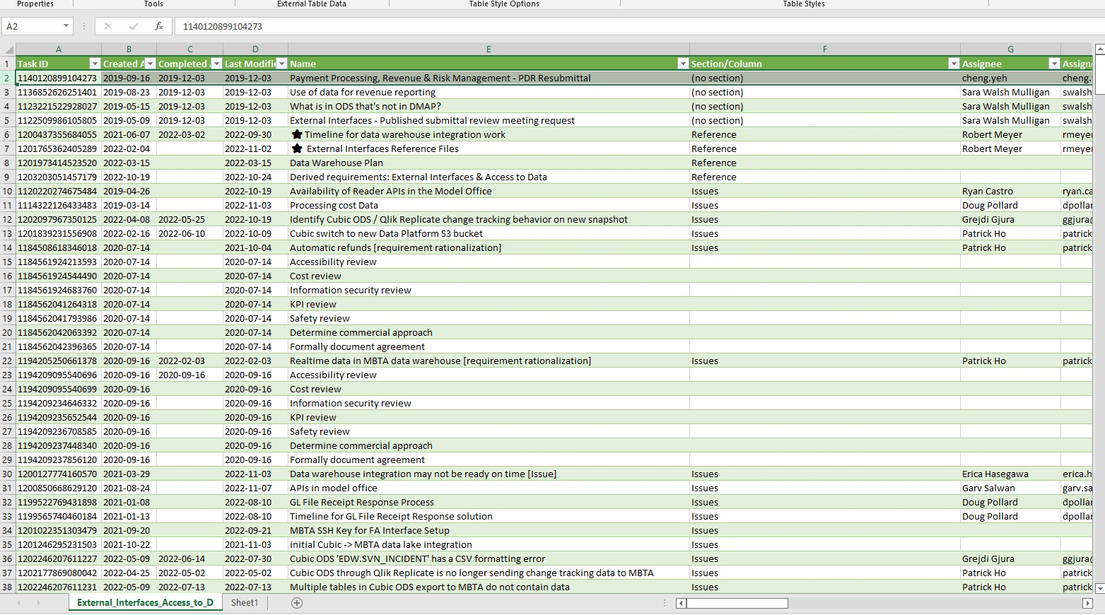
6 | Manipulate this imported sheet such that the columns in your exported file are in the same order as the columns in the 'raw data from Asana' tab. If you don't do this step or if you do it in the wrong order, your formulas won't work in step 10.
7 | Delete any rows not intended for inclusion on the feedback template.
8 | Scan the notes column for weird characters and formatting issues. I usually do a search and replace across the whole sheet when I spot a strange character. Sometimes I insert bullets (symbols) to improve the formatting.
9 | Copy cells from export file into 'raw data from asana' tab in this file
10 | Go to project in Asana, copy project link, paste link into cell 8E on Document Comments sheet.
11 | Feedback will automatically generate in 'document comments' tab
12 | Copy formulas down to as many cells as needed for the number of comments you have
13 | Fill in fields at top of document comments tab
14 | Select all cells in the document comments tab.
15 | Copy and paste special - values to break the formulas.
16 | Autofit row height (if this hasn’t automatically happened after you copied and pasted)
17 | Delete instructions and raw data tabs.
18 | Upload document to \Box\AFC 2.0\Systems Integrator - Cubic\Design review\Design Review Comments\2. Package to send to Cubic

